Extension Selection Tool
 |  |  |  |  |  |  |  |  |  |  |  |  | Uncut
Drag2Zero Extension Selection Tool |  |  |  |  |  |  |  |  |  |  |  | - | Straight | 25
 |  |  |  |  |  |  |  |  |  |  |  | 10 | S-Bend 10 Deg | 30
Inputs |  |  | Enter the required variables on the left, using the extension angle and adapter type to select a configuration that draws a box around your desired position. The red cross represents the end face where your shifter will mount. The extension options drop down gives the range of extensions that will work for your position as well as how much needs cutting off each end. The reference picture below highlights the location of each measurement. |  |  |  |  |  |  |  |  | 20 | S-Bend 20 Deg | 35
Adapter Type | S-Bend 30 Deg |  |  |  |  |  |  |  |  |  |  | 30 | S-Bend 30 Deg | 40
Extension Clamp Length (A) | 50 | mm |  |  | 97 |  |  |  |  |  |  |  |  | 45
Pad Height Above Extension Clamp Centre (B) | 25 | mm |  |  | 300 |  |  |  |  |  |  | 50 |  | 50
Required Length Ahead of Pad Centre (C) | 300 | mm |  |  |  |  |  |  |  |  |  |  |  |  |  |  |  | Straight
Required Height Above Pads (D) | 72 | mm
 |  |  |  | Angle | Max Length | Min Length | Max Height | Min Height |  |  |  | Angle | Max Length | Min Length | Max Height | Min Height |  | Angle | Max Length | Min Length | Max Height | Min Height
Extension Options |  |  |  | 20 | 333 | 256 | 71 | 43 |  |  |  | 20 | 333 | 256 | 71 | 43 |  | 20 | 278 | 200 | 73 | 45
Possible Extension Angle Options | 40 | deg |  | 25 | 321 | 247 | 92 | 58 |  |  |  | 25 | 321 | 247 | 92 | 58 |  | 25 | 266 | 193 | 89 | 55
Cut Length From Shifter End | 194 | mm |  | 30 | 309 | 241 | 110 | 72 |  |  |  | 30 | 309 | 241 | 110 | 72 |  | 30 | 254 | 187 | 105 | 66
Cut Length From Clamp End | 6 | mm

 | Extension |  | 20 Deg |  | 25 Deg |  | 30 Deg |  | 35 Deg |  | 40 Deg |  | X-Y Position |  | Extension Clamp Position |  | Pad Position |  | Overhang
-25 | -25 | 409.80749594 | 43.79834411 | 398.31016678 | 63.631390898 | 387.06148722 | 83 | 375.12729889 | 101.6673658 | 362.48381527 | 119.72792886 | 300 | 72 | -25 | -25 | -50 | 0 | -25 | -25
149.39611541 | -25 | 339.80749594 | 43.79834411 | 328.31016678 | 63.631390898 | 317.06148722 | 83 | 305.12729889 | 101.6673658 | 292.48381527 | 119.72792886 |  |  | 25 | -25 | 50 | 0 | -31 | -25
255.68365111 | 64.185832005 | 261.81300842 | 15.410672214 | 256.7118516 | 30.24454822 | 250.37753113 | 44.5 | 242.87174353 | 58.07555664 | 235.03048204 | 71.518858132
300 | 72 | 331.81300842 | 15.410672214 | 326.7118516 | 30.24454822 | 320.37753113 | 44.5 | 312.87174353 | 58.07555664 | 305.03048204 | 71.518858132
 |  | 409.80749594 | 43.79834411 | 398.31016678 | 63.631390898 | 387.06148722 | 83 | 375.12729889 | 101.6673658 | 362.48381527 | 119.72792886
 |  |  |  | 35 | 296 | 226 | 132 | 88 |  |  |  | 35 | 296 | 226 | 132 | 88 |  | 35 | 243 | 180 | 119 | 75
 |  |  |  | 40 | 273 | 215 | 150 | 102 |  |  |  | 40 | 273 | 215 | 150 | 102 |  | 40 | 231 | 173 | 134 | 85

 |  |  |  | Pad Position
 |  |  |  | Y | 0 | 0
 |  |  |  | X | -50 | 50
 |  |  |  |  | Pad Width | 100
 |  |  |  | Extension Mount Position
 |  |  |  | Y | -25 | -25
 |  |  |  | X | -25 | 25

 |  |  |  |  |  |  |  |  |  |  |  |  |  |  |  |  |  |  |  |  |  |  |  |  |  |  |  |  |  |  |  |  |  | 174.78282747
 |  |  |  |  |  |  |  |  |  |  | Will it work? |  |  |  |  |  |  |  |  |  |  |  |  | Max Height |  |  |  |  | Min Height |  |  |  |  | Max Length |  |  |  |  | Min Length
 |  |  |  |  | Options | Tip Chop Length | Pad Chop Length | Pad Chop Length | Chop Length | Chop Length From Tip | Both? | Height | Length | Max Height | Min Height | Max Length | Min Length | Angle | Tip Length | Straight Length | Total Length | Oval Length | Min Length | Uncut | Straight | S10 | S20 | S30 | Uncut | Straight | S10 | S20 | S30 | Uncut | Straight | S10 | S20 | S30 | Uncut | Straight | S10 | S20 | S30
 |  |  |  |  | - | - | - | - | - | - | No | No | Yes | 68.79834411 | 40.410672214 | 409.80749594 | 261.81300842 | 20 | 295 | 66 | 186 | 128 | 103 | 100.89594228 | 75.586451675 | 84.4266801 | 76.612512105 | 68.79834411 | 88.583217121 | 47.198779779 | 56.039008204 | 48.224840209 | 40.410672214 | 432.20932313 | 362.67206919 | 409.80749594 | 410.49114706 | 409.80749594
 |  |  |  |  | - | - | - | - | - | - | No | No | Yes | 88.631390898 | 55.24454822 | 398.31016678 | 256.7118516 | 25 | 295 | 72 | 181 | 124 | 102 | 124.67238721 | 91.285544536 | 104.20025635 | 96.475407745 | 88.631390898 | 106.92242022 | 57.898701858 | 70.813413673 | 63.088565067 | 55.24454822 | 422.36079718 | 350.762482 | 396.94806754 | 398.31016678 | 398.31016678
 |  |  |  |  | 30 | 139 | 68.008928334 | 68.008928334 | 22 | 139 | Yes | Yes | Yes | 108 | 69.5 | 387.06148722 | 250.37753113 | 30 | 295 | 77 | 178 | 122 | 101 | 147.5 | 106.5 | 123.39090645 | 115.814168 | 108 | 124 | 68 | 84.89090645 | 77.314167995 | 69.5 | 410.47749412 | 339.46341101 | 384.34765515 | 386.3778361 | 387.06148722
 |  |  |  |  | 35 | 170.72347384 | 32.757909555 | 32.757909555 | 51.723473843 | 170.72347384 | Yes | Yes | Yes | 126.6673658 | 83.07555664 | 375.12729889 | 242.87174353 | 35 | 295 | 79 | 176 | 121 | 100 | 169.20504872 | 121.02462807 | 141.76317916 | 134.39221441 | 126.6673658 | 141.09980334 | 77.432818907 | 98.171369995 | 90.800405246 | 83.07555664 | 396.64985307 | 327.84108134 | 371.08238789 | 373.76519966 | 375.12729889
 |  |  |  |  | 40 | 194.25147613 | 5.603884586 | 5.603884586 | 74.251476131 | 194.25147613 | Yes | Yes | Yes | 144.72792886 | 96.518858132 | 362.48381527 | 235.03048204 | 40 | 295 | 80 | 175 | 120 | 100 | 189.62234486 | 134.98539803 | 159.41376086 | 152.30466731 | 144.72792886 | 157.48296437 | 86.776327308 | 111.20469014 | 104.09559659 | 96.518858132 | 380.98311072 | 315.86933305 | 357.13860955 | 360.45363432 | 362.48381527
 |  |  |  |  | - | - | - | - | - | - | No | No | Yes | 162.9677082 | 109.22759283 | 349.78751336 | 226.04739799 | 45 | 295 | 79 | 176 | 121 | 100 | 208.59650045 | 149.19953083 | 177.13179081 | 170.33867295 | 162.9677082 | 173.94826817 | 95.45941546 | 123.39167544 | 116.59855758 | 109.22759283 | 363.59650045 | 304.19953083 | 343.18269317 | 347.10470159 | 349.78751336
 |  |  |  |  | - | - | - | - | - | - | No | No | Yes | 180.85650616 | 121.87108404 | 336.12829163 | 216.63364568 | 50 | 295 | 77 | 178 | 122 | 101 | 225.98311072 | 163.16746638 | 194.39104215 | 187.96559971 | 180.85650616 | 189.97902189 | 104.18204426 | 135.40562003 | 128.98017759 | 121.87108404 | 344.62234486 | 291.91376086 | 328.31412363 | 332.81326686 | 336.12829163

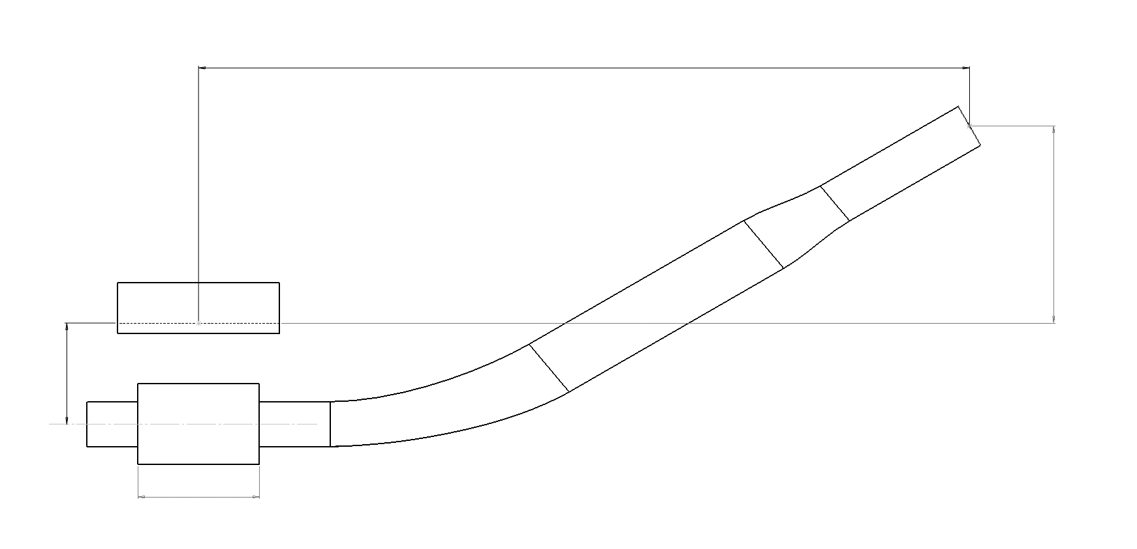
(C)
 |  |  |  |  | X | Y
 |  |  |  | Clamp End | -25 | -25
 |  |  |  | Bend Point | 149.39611541 | -25 |  |  | Angle | Max Height | X1 at Max | X2 at Max | Min Height | X1 at Min | X2 at Min
 |  |  |  | Adapter Point | 255.68365111 | 64.185832005 |  |  | 20 | 43.79834411 | 339.80749594 | 409.80749594 | 15.410672214 | 261.81300842 | 331.81300842
 |  |  |  | Tip Point | 300 | 72 |  |  | 25 | 63.631390898 | 328.31016678 | 398.31016678 | 30.24454822 | 256.7118516 | 326.7118516
x
 |  |  |  |  | 30 |  |  |  | 30 | 83 | 317.06148722 | 387.06148722 | 44.5 | 250.37753113 | 320.37753113
 |  |  |  | Overhang Start | -25 | -25 |  |  | 35 | 101.6673658 | 305.12729889 | 375.12729889 | 58.07555664 | 242.87174353 | 312.87174353
 |  |  |  | Overhang End | -31 | -25 |  |  | 40 | 119.72792886 | 292.48381527 | 362.48381527 | 71.518858132 | 235.03048204 | 305.03048204
 |  |  |  |  |  |  |  |  | 45 | 137.9677082 | 279.78751336 | 349.78751336 | 84.227592833 | 226.04739799 | 296.04739799
(D)
 |  |  |  |  |  |  |  |  | 50 | 155.85650616 | 266.12829163 | 336.12829163 | 96.871084043 | 216.63364568 | 286.63364568

(B)

(A)

